Sheet1
ID | Group | Category | Epic | Parent Task | Task Name | User Story | Description | Acceptance Criteria | Timestamp | Mockups | Notes | Responsible
CUBE-PH4-D1-001 | Service Tickets | Functional | Core Flow | Service Ticket Creation | Create Service Ticket When AM Is Unavailable | As a Business Development Representative (BDR), I want to create a service ticket when the Account Manager is unavailable, so that urgent customer requests can still be started. | BDRs create delivery, swap, mobile, or service tickets only when the AM is unavailable and the request needs to be handled ASAP. | 1. BDR can create a service ticket when the AM is unavailable, 2. Ticket creation supports urgent customer requests, 3. Ticket creation includes delivery, swap, mobile, or service ticket situations mentioned in the workshop, 4. BDR can create a ticket when the request needs to be made ASAP, 5. The ticket can continue into the fulfillment process | Day 1, Part 1 [0:07:38 – 0:08:14] | 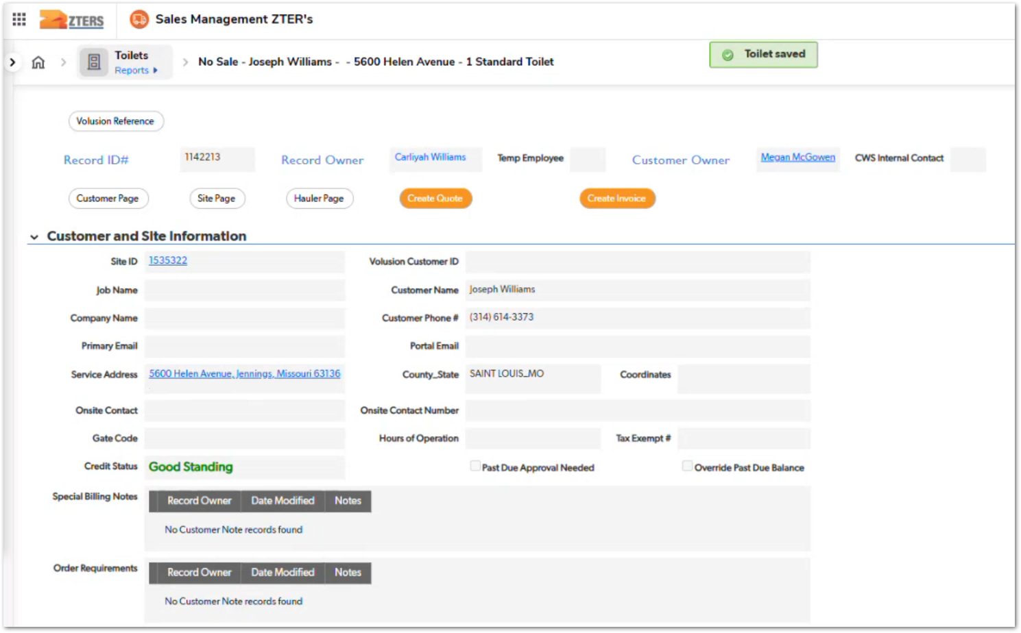 | BDRs normally do not create service tickets unless the AM is unavailable or the BDR makes the sale. | TBD
CUBE-PH4-D1-002 | Fulfillment Tickets | Functional | Core Flow | Sales Fulfillment | Create Delivery and Fulfillment Tickets After BDR Sale | As a Business Development Representative (BDR), I want to create the delivery service ticket and fulfillment ticket when I make a sale, so that the sale can move into fulfillment. | When the BDR makes the sale, the BDR creates the delivery service ticket and the fulfillment ticket as part of the standard process. | 1. BDR can create a delivery service ticket after making a sale, 2. BDR can create a fulfillment ticket after making a sale, 3. Ticket creation is part of the standard sale process, 4. Ticket creation is not dependent on AM availability when the BDR made the sale, 5. The sale can proceed to fulfillment after the tickets are created | Day 1, Part 1 [0:08:14 – 0:08:41] | NO MOCKUP | This story is specific to sales made by the BDR. | TBD
CUBE-PH4-D1-003 | Product Setup | Functional | Core Flow | Product to Sale Conversion | Mark Product as Sale After Quote Is Given | As a Business Development Representative (BDR), I want to mark a quoted product as a sale when the customer wants to move forward, so that the sale can continue into fulfillment. | After pricing and product information are completed, the product can be marked as a sale when the customer agrees to move forward. | 1. User can access the customer site and pricing tool, 2. User can select the requested product type, 3. User can enter the requested delivery date, 4. User can mark the quote as given, 5. User can mark the product as a sale when the customer wants to move forward | Day 1, Part 1 [0:09:26 – 0:10:42] |  | Product status is changed from the Status dropdown. Screenshot shows the Sale option available in the product status list. | TBD
CUBE-PH4-D1-004 | Site Information | Data Integrity | Core Flow | Site Details | Capture Placement and Site Access Details | As a Business Development Representative (BDR), I want to enter placement instructions, gate codes, on-site contact information, and site hours, so that service and fulfillment teams have the information needed for delivery. | Placement instructions, on-site contact details, gate codes, and hours of operation are captured before the fulfillment ticket is created. | 1. User can enter placement instructions, 2. User can view or enter the on-site contact, 3. User can enter gate code information when applicable, 4. User can enter hours of operation, 5. User can save the site information before creating the fulfillment ticket | Day 1, Part 1 [0:11:21 – 0:12:46] |  | Site hours are especially important when the customer keeps the unit on-site for over a month. Screenshot shows placement instructions being added as a placement note. | TBD
CUBE-PH4-D1-005 | Fulfillment Tickets | UI/UX | Core Flow | Fulfillment Ticket Details | Display Placement Details on Fulfillment Ticket | As a Business Development Representative (BDR), I want placement instructions visible on the fulfillment ticket, so that I do not have to manually retype placement information into ticket notes. | Placement instructions should be visible on the fulfillment ticket so users do not have to manually retype placement information into ticket notes. | 1.Fulfillment ticket displays placement instructions, 2. Placement details come from the existing site or product information, 3. User does not need to retype placement instructions into ticket notes, 4. Fulfillment can view placement information from the ticket page, 5. Missing placement details are reduced during delivery coordination | Day 1, Part 1 [0:13:55 – 0:15:53] |  | This was identified after the BDR explained that she repeats product and placement information in ticket notes because those details may not be visible to fulfillment. | TBD
CUBE-PH4-D1-006 | Fulfillment Tickets | UI/UX | Core Flow | Site Access Details | Display Gate Codes and Site Hours on Fulfillment Ticket | As a Business Development Representative (BDR), I want gate codes and site hours visible on the fulfillment ticket, so that fulfillment and haulers have the access details needed for delivery coordination. | Gate codes and site hours should be visible on the fulfillment ticket so users do not have to manually duplicate site access details already captured elsewhere. | 1.Fulfillment ticket displays gate code information when available, 2. Fulfillment ticket displays site hours when available, 3. Site access details are visible without relying only on ticket notes, 4. Fulfillment can use access details during hauler coordination, 5. User does not need to duplicate site access details already captured elsewhere. | Day 1, Part 1 [0:15:30 – 0:16:31] | NO MOCKUP | The workshop mentions fulfillment saying they did not see gate code information, which caused follow-up calls when haulers needed access details. | TBD
CUBE-PH4-D1-007 | Fulfillment Tickets | UI/UX | Core Flow | On-Site Contacts | Show Multiple Site Contacts on Fulfillment Ticket | As a Business Development Representative (BDR), I want all site-related contacts displayed on the fulfillment ticket, so that secondary on-site contacts are visible when needed. | Secondary on-site contacts should be visible on the fulfillment ticket instead of being manually added to ticket notes. | 1. Fulfillment ticket can display more than one site-related contact, 2. Contacts related to the customer and site are visible on the fulfillment ticket, 3. Secondary on-site contact information does not need to be manually typed into notes, 4. Contact information supports fulfillment coordination, 5. Displayed contacts are tied to the relevant site or customer. | Day 1, Part 1 [0:16:31 – 0:17:48] | NO MOCKUP | The workshop mentions showing all contacts related to the site that the product is for. | TBD
CUBE-PH4-D1-008 | Fulfillment Tickets | Functional | Core Flow | Requested Delivery Date | Carry Requested Delivery Date Into Fulfillment Ticket | As a Business Development Representative (BDR), I want the requested delivery date to carry into the fulfillment ticket, so that fulfillment can work from the date captured on the product page. | The requested delivery date carries over from the product page into the fulfillment ticket, while the final delivery date may change after fulfillment contacts the hauler. | 1. Fulfillment ticket displays the requested delivery date from the product page, 2. Requested delivery date is treated as requested rather than confirmed, 3. Date is available before fulfillment confirms hauler availability, 4. Fulfillment can update the final date after speaking with the hauler, 5. User can distinguish the requested delivery date from the confirmed delivery date. | Day 1, Part 1 [0:17:52 – 0:18:18] |  | The workshop clarifies that the requested date may change once fulfillment contacts the hauler. Screenshot shows Requested Delivery Date populated and Confirmed Delivery Date still empty. | TBD
CUBE-PH4-D1-009 | Fulfillment Tickets | Workflow | Fulfillment Submission | Send Fulfillment Ticket After Review | Send Fulfillment Ticket After Review Button | As a Business Development Representative (BDR), I want to save the fulfillment ticket and send it to fulfillment, so that the fulfillment team can begin processing the delivery request. | After reviewing and saving the fulfillment ticket, the user sends it to fulfillment through a separate Send to Fulfillment action. | 1. User can save the fulfillment ticket before sending it, 2. User can send the ticket to fulfillment after saving, 3. Send to Fulfillment action is separate from Save, 4. Ticket includes delivery-related details before submission, 5. Submission completes the BDR’s fulfillment ticket step | Day 1, Part 1 [0:22:31 – 0:23:42] |  | The process is handled as a two-click workflow: save first, then send to fulfillment. | TBD
CUBE-PH4-D1-010 | Notifications | Automation | Core Flow | AM Sale Alert | Notify AM When BDR Creates a Sale | As an Account Manager (AM), I want to receive an automatic alert when a BDR creates a sale on my customer, so that I know the sale is ready for my follow-up steps. | When a BDR creates a sale for an AM-owned customer, the system should automatically alert the AM instead of requiring the BDR to send a manual email. | 1.System sends an alert to the AM when a BDR creates a sale, 2. Alert identifies the AM’s customer and sale, 3. Alert replaces the manual email currently sent by the BDR, 4. Alert is triggered at the sale handoff point, 5. AM can continue the next steps after fulfillment confirms the delivery ticket. | Day 1, Part 1 [0:23:42 – 0:24:52] | NO MOCKUP | The AM needs to know about the sale because the customer belongs to the AM, even though the BDR handled the initial sale. | TBD
CUBE-PH4-D1-011 | Billing Preferences | Data Validation | Core Flow | Billing Preference Setup | Require Needed Billing Preference Fields Before Sale Progression | As an Account Manager (AM), I want billing preference fields to clearly indicate required information, so that missing billing details can be corrected before the sale process continues. | Billing preference fields should clearly indicate required information before the user saves the billing preference and continues the sale workflow. | 1.Billing preference form identifies required fields, 2. Missing required billing information prevents incomplete billing setup, 3. User receives validation before progressing in the sale workflow, 4. Billing preference can be saved only when required information is present, 5. Product sale progression uses a valid billing preference. | Day 1, Part 1 [0:26:37 – 0:28:24] | 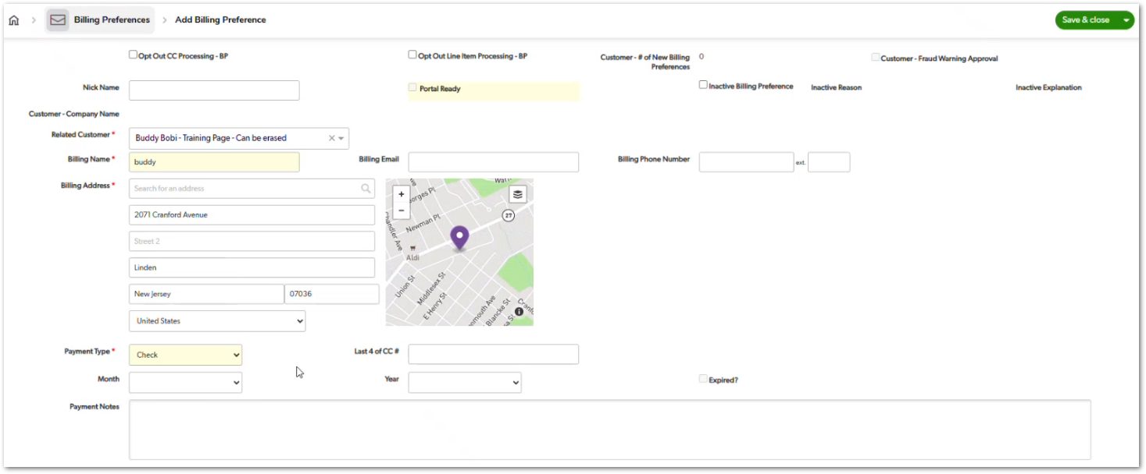 | Fields required for sale progression should be clearly marked on the billing preference form instead of only triggering an error later. | TBD
CUBE-PH4-D1-012 | Service Tickets | Functional | Core Flow | Service Ticket Status | Display Service Ticket Status Based on Date Range | As an Account Manager (AM), I want the service ticket status to reflect whether the ticket is pending, active, or inactive, so that I can understand where the ticket is in the service timeline. | Service ticket status starts as pending and changes based on whether the current date falls within the applicable service date or service cycle. | 1. Service ticket starts in pending status, 2. Service ticket becomes active when the current date matches the applicable service timing, 3. Service ticket can become inactive after the applicable service period, 4. Status is calculated using the ticket’s service date or cycle date range, 5. Status applies to both single-date and cycle-based service tickets. | Day 1, Part 1 [0:29:02 – 0:30:22] |  | Delivery tickets use one service date, while monthly service tickets use start and end dates. | TBD
CUBE-PH4-D1-013 | Service Tickets | Functional | Core Flow | Dispatch Request Source | Capture Service Requester Information | As an Account Manager (AM), I want to capture who requested a service, so that the customer-side request is documented even when the requester is not an existing site contact. | The service ticket should capture who called in or requested the service, even when that person is not already listed as an on-site contact or customer contact. | 1. User can capture the person who requested the service, 2. Requester information can be recorded even when the person is not an existing contact, 3. Requester information remains available as a reference on the service ticket, 4. Requester capture is separate from fulfillment dispatch information, 5. Requester information supports delivery, monthly service, and miscellaneous service contexts. | Day 1, Part 1 [0:30:22 – 0:32:33] |  | The current dispatching fields are partly a holdover from when AMs handled the full process. The future process should separate customer-side request information from fulfillment dispatch details. | TBD
CUBE-PH4-D1-014 | Service Tickets | Functional | Core Flow | Standard Charge Status | Show Billing Setup Status on Service Ticket | As an Account Manager (AM), I want the standard charge status to show whether billing setup is complete, so that I know what billing action is still required. | Standard charge status identifies missing billing requirements, such as a required line item, and later changes as the ticket moves through the invoicing process. | 1. Standard charge status identifies when a required line item is missing, 2. Status reflects billing setup requirements based on ticket and product codes, 3. Status updates after the required line item is created, 4. Status identifies when invoicing is required, 5. Status supports AM dashboard visibility for pending billing actions. | Day 1, Part 1 [0:33:29 – 0:34:36] |  | The example shows a delivery ticket requiring a delivery line item. | TBD
CUBE-PH4-D1-015 | Service Tickets | Data Integrity | Core Flow | Ticket Snapshot Values | Keep Service Ticket Values Independent After Creation | As an Account Manager (AM), I want service ticket values to be copied as a point-in-time snapshot, so that later product changes do not automatically alter already-created tickets. | Service ticket values such as dates, vendor information, and rates are copied when the ticket is created, allowing the ticket to preserve the values that were valid at that time. | 1. Service ticket stores copied values from the product at creation time, 2. Later product changes do not automatically update existing ticket values, 3. Ticket values can be edited when corrections or customer changes are needed, 4. Snapshot behavior applies to key service information such as dates, vendor details, and rates, 5. User can update ticket-specific values without changing the original product record. | Day 1, Part 1 [0:35:33 – 0:38:15] | 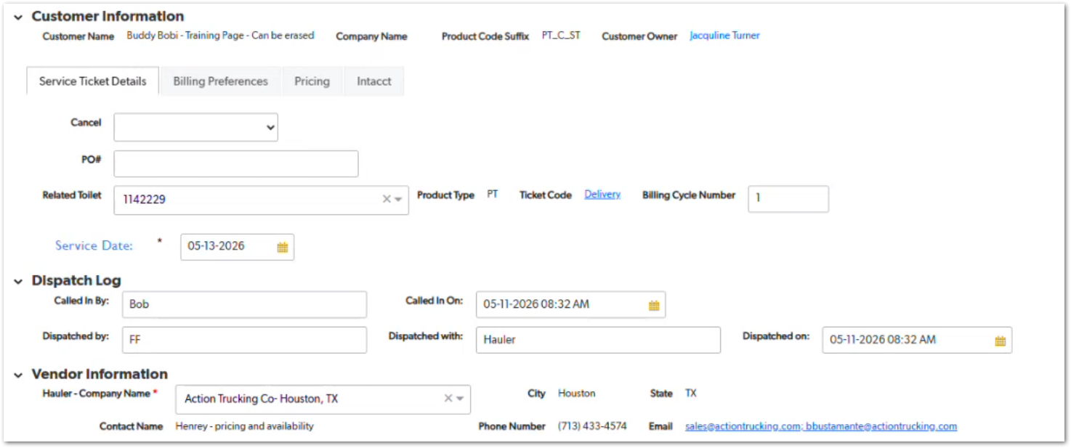 | Snapshot behavior supports typo corrections, customer date changes, and pricing or rate changes without automatically affecting existing tickets. | TBD
CUBE-PH4-D1-016 | Service Tickets | Data Integrity | Core Flow | Vendor Information | Copy Vendor Information From Product to Service Ticket | As an Account Manager (AM), I want vendor information to copy from the product page to the service ticket, so that the ticket contains the selected vendor and related vendor details. | Vendor information is copied from the product page into the service ticket and displayed as part of the ticket’s vendor details. | 1. Service ticket copies the related vendor from the product page, 2. Ticket displays vendor lookup information, 3. Vendor details include available hauler contact information, 4. Ticket code is determined by the button used to create the ticket, 5. Copied vendor information remains part of the ticket snapshot. | Day 1, Part 1 [0:38:15 – 0:39:35] |  | The example uses the delivery ticket button with a hard-coded delivery ticket code. Screenshot shows the copied vendor information section on the service ticket. | TBD
CUBE-PH4-D1-017 | Service Tickets | Data Integrity | Core Flow | Rate Snapshot | Copy Customer and Vendor Rates Into Service Ticket | As an Account Manager (AM), I want customer and vendor rates copied into the service ticket, so that line items can use the rates available when the ticket was created. | Customer and vendor rates are copied from the product into the service ticket, allowing line items to use the applicable rate based on the ticket type. | 1.Service ticket copies customer rates from the product, 2. Service ticket copies vendor rates from the product, 3. Ticket stores the full rate card available at creation time, 4. Line items can use the applicable copied rate based on ticket type, 5. Later product rate changes do not automatically update copied ticket rates. | Day 1, Part 1 [0:39:35 – 0:42:09] | NO MOCKUP | Delivery, standard, relocation, and other rates may be needed depending on the ticket type. | TBD
CUBE-PH4-D1-018 | Service Tickets | Functional | Core Flow | PO Number Updates | Allow PO Number Updates on Service Ticket | As an Account Manager (AM), I want to update the PO number at the service ticket level, so that invoice information can be corrected without canceling every related ticket and line item. | PO information can carry over from the product page, but it may need to be updated at the service ticket level when the PO changes or needs correction for invoicing. | 1. Service ticket displays the PO number copied from the product, 2. User can update the PO number at the service ticket level, 3. Updated PO number can support invoice correction, 4. User does not need to cancel every related service ticket only to correct PO information, 5. Ticket-level PO value remains available for the billing flow. | Day 1, Part 1 [0:43:02 – 0:45:12] |  | Customers may call when the PO number is not shown correctly on the invoice. Screenshot shows the editable PO # field on the service ticket. | TBD
CUBE-PH4-D1-019 | Billing Preferences | Functional | Core Flow | Billing Preference Selection | Select Billing Preference on Service Ticket | As an Account Manager (AM), I want billing preference information to carry into the service ticket and remain selectable, so that billing can be adjusted when a customer wants to use a different payment method. | The billing preference selected on the product carries into the service ticket by default, but it can be changed when needed for a specific service ticket. | 1. Service ticket defaults to the billing preference selected on the product, 2. User can change the billing preference at the service ticket level, 3. Billing preference supports situations where the customer wants to use a different card or payment method, 4. User can correct a wrong billing preference, 5. Billing preference selection remains part of the ticket billing information. | Day 1, Part 1 [0:45:12 – 0:46:20] | 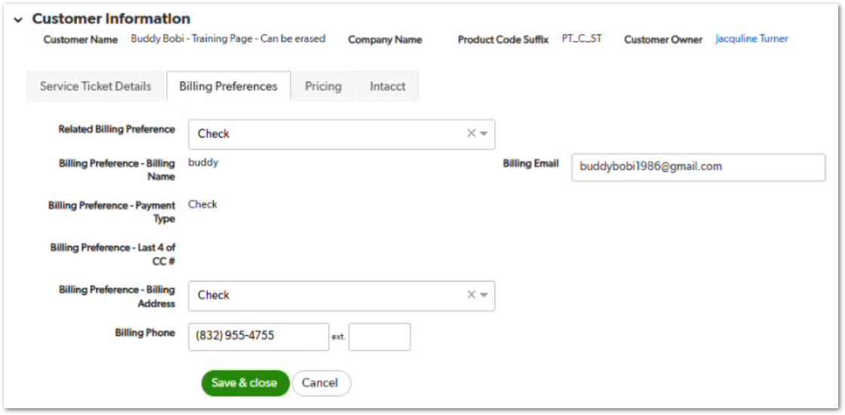 | Nichole states that billing preference sometimes has to be changed at every level. Screenshot shows the Billing Preferences tab on the service ticket. | TBD
CUBE-PH4-D1-020 | Billing Preferences | Functional | Core Flow | Billing Preference Hierarchy | Add and Select Billing Preference Across Customer Hierarchy | As an Account Manager (AM), I want to add and select billing preferences at different customer hierarchy levels, so that billing can be configured flexibly for customers, sites, products, and service tickets. | Billing preferences should be configurable at different hierarchy levels, allowing users to apply or override billing selections for a customer, site, product, or service ticket when needed. | 1. User can select a billing preference at applicable hierarchy levels, 2. User can add a billing preference where billing preference selection is available, 3. Billing preferences can be configured at customer, site, product, and service ticket levels, 4. System supports overriding prior billing preference selections, 5. User receives a warning when a billing preference change may affect multiple sites or products. | Day 1, Part 1 [0:46:20 – 0:49:30] | NO MOCKUP | The workshop mentions using a warning when a billing preference change may affect many sites or products. | TBD
CUBE-PH4-D1-021 | Service Tickets | Functional | Core Flow | Cancellation Prerequisites | Cancel Service Ticket Only After Line Items Are Canceled or Credited | As an Account Manager (AM), I want service ticket cancellation to depend on related line item status, so that billed items are reversed before the ticket is canceled. | Service tickets can be canceled only after related line items are canceled or credited, ensuring billed items are properly reversed before the cancellation is completed. | 1. Service ticket can be canceled only after related line items are canceled or credited, 2. Unbilled line items can be canceled, 3. Billed line items must be credited back before cancellation, 4. Invoicing acts as the system freeze point, 5. Cancellation follows the reverse order of billing actions. | Day 1, Part 1 [0:52:48 – 0:55:22] |  | Once something is billed and reaches Intacct, it becomes the stopping point and must be reversed before the service ticket can be canceled. Screenshot shows the service ticket cancellation dropdown. | TBD
CUBE-PH4-D1-022 | Sales Dashboard | Reporting | Core Flow | BDR Sales Tracking | Track BDR Sales and Cancellations | As a Business Development Representative (BDR), I want to track my actual sales and cancellations, so that I can understand changes that affect my commission. | BDRs need visibility into credited sales, canceled sales, and changes to their sales count so they can understand how cancellations affect their monthly commission tracking. | 1. BDR can view sales credited to them, 2. BDR can see when credited sales are canceled, 3. Dashboard shows changes that reduce the sales count, 4. BDR can identify which sales were canceled, 5. Canceled sales include a visible cancellation or no-sale reason when available. | Day 1, Part 1 [1:00:00 – 1:02:16] | NO MOCKUP | BDRs may think they made a certain number of sales, but later discover the report shows fewer because some sales were canceled. | TBD
CUBE-PH4-D1-023 | Sales Dashboard | Reporting | Core Flow | Re-Engaged Customer Credit | Track BDR Credit for Re-Engaged Customers | As a Business Development Representative (BDR), I want re-engaged customer sales tracked automatically, so that I do not have to manually report them to receive credit. | Re-engaged customer sales should be tracked automatically when a BDR handles the call and makes the sale, instead of requiring the BDR to track those sales manually. | 1. System identifies re-engaged customers based on the defined time frame, 2. BDR receives credit when they answer and sell to a re-engaged customer, 3. Re-engaged customer sales appear in the same reporting mechanism as new customer sales, 4. BDR does not need to manually track these sales in a separate Excel sheet, 5. Reporting supports visibility into credited re-engagement sales. | Day 1, Part 1 [1:02:53 – 1:05:48] | NO MOCKUP | The re-engagement period is one year for the BDR team. Re-engaged customer sales are currently tracked manually because the system does not automatically credit them as BDR sales. | TBD
CUBE-PH4-D1-024 | Service Tickets | Workflow | Core Flow | Manual Service Ticket Confirmation | Keep Manual Confirmation Before Service Ticket Creation | As an Account Manager (AM), I want to manually review and confirm service ticket creation, so that I can catch mistakes before tickets and line items are created. | Manual confirmation gives users a chance to review key information and correct mistakes before service tickets and related line items are created. | 1. User manually initiates service ticket creation, 2. User has a chance to review information before saving, 3. Manual review supports correction of pricing or setup errors, 4. System does not automatically create all tickets and line items without user confirmation, 5. User can identify mistakes before continuing the flow. | Day 1, Part 1 [1:07:22 – 1:09:36] | NO MOCKUP | Nichole states that users catch errors at this stage and that the manual step is necessary in her opinion. | TBD
CUBE-PH4-D1-025 | Line Items | Functional | Core Flow | Applicable Line Item Buttons | Show Applicable Line Item Buttons Based on Ticket Type | As an Account Manager (AM), I want the system to show applicable line item options based on the service ticket type, so that I can create only the line items relevant to that ticket. | Line item options are displayed based on the ticket code, allowing users to create the correct line item for the service ticket type. | 1. Delivery ticket displays the delivery line item option, 2. Standard service ticket displays the applicable rental and service line item option, 3. Line item options are based on the ticket code, 4. Non-applicable line item options are not shown, 5. User can create the applicable line item from the service ticket. | Day 1, Part 1 [1:09:40 – 1:11:41] | 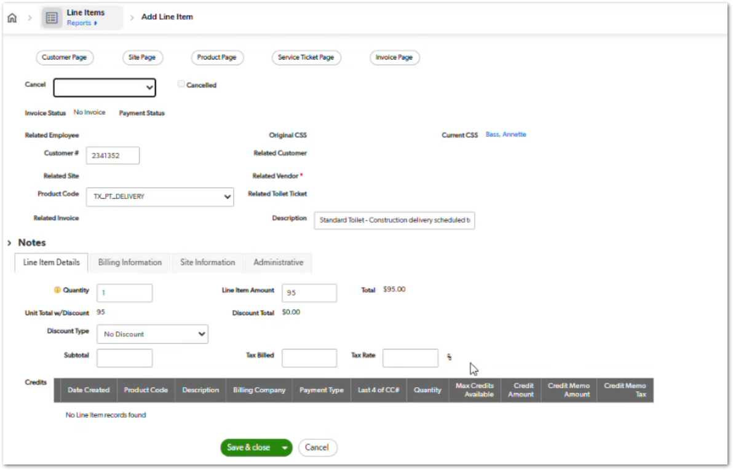 | The current line item buttons are individually programmed and could be improved later. Screenshot shows a delivery line item created from the service ticket flow. | TBD
CUBE-PH4-D1-026 | Line Items | UI/UX | Core Flow | Per Unit Charges | Show Quantity for Per-Unit Delivery and Removal Charges | As an Account Manager (AM), I want quantity information visible before creating delivery or removal line items, so that I can catch per-unit charge issues earlier. | Quantity should be visible before line item creation when delivery or removal is charged per unit, so users can verify the calculated amount before continuing. | 1. User can see the quantity tied to per-unit delivery or removal, 2. System identifies when delivery or removal is charged per unit, 3. User can identify multiplied charges before creating the line item, 4. Quantity supports review of the calculated amount, 5. User does not need to go one level deeper to catch this issue. | Day 1, Part 1 [1:11:41 – 1:13:21] | 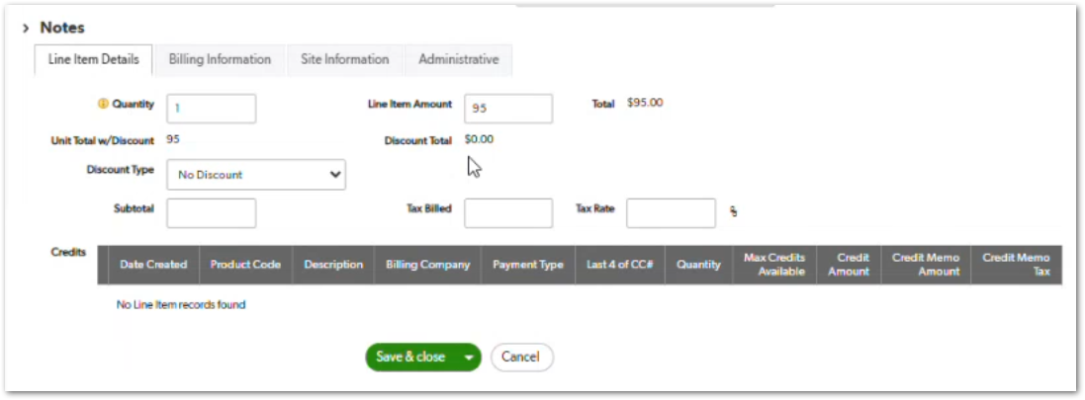 | The example mentions three toilets and a quantity of three. Screenshot shows quantity, line item amount, and total on the line item page. | TBD
CUBE-PH4-D1-027 | Line Items | Functional | Core Flow | Discount Application | Apply Flat or Percentage Discount to Line Item | As an Account Manager (AM), I want to apply flat or percentage discounts to a line item, so that the final item total reflects the discount given to the customer. | Flat or percentage discounts can be applied to a line item, and the final item total updates based on the selected discount type. | 1. User can select a flat discount, 2. User can enter the flat discount amount, 3. User can select a percentage discount, 4. System updates the item total after the discount, 5. Discount information remains visible on the service ticket line item display. | Day 1, Part 1 [1:13:21 – 1:15:26] | 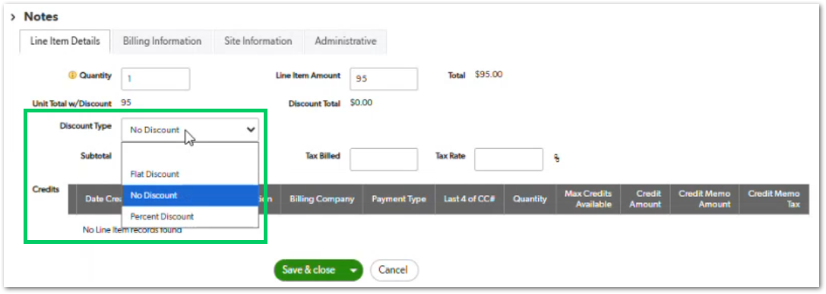 | The item total updates after the discount is applied. Screenshot shows the Discount Type dropdown with flat and percentage discount options. | TBD
CUBE-PH4-D1-028 | Line Items | UI/UX | Core Flow | Line Item Review | Expose Important Line Item Review Information Before Save | As an Account Manager (AM), I want important billing, pricing, quantity, address, and PO information visible before saving a line item, so that I can catch mistakes without opening hidden tabs. | Key billing, pricing, quantity, address, and PO details should be visible in a simple review area before the user saves the line item. | 1. User can review pricing information before saving, 2. User can review quantity before saving, 3. User can review address or site information before saving, 4. User can review billing preference, tax exemption, and PO information before saving, 5. Important review information is visible without requiring the user to open multiple tabs. | Day 1, Part 1 [1:17:17 – 1:20:57] | 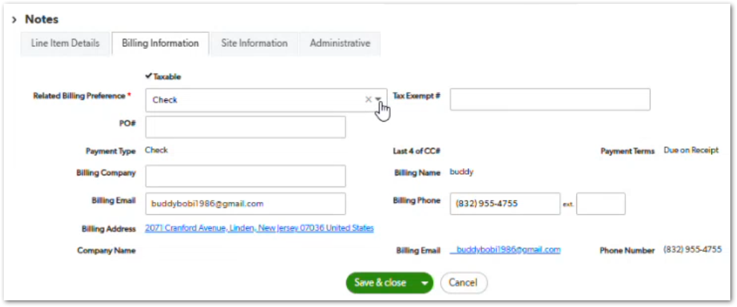 | The workshop describes this as a checklist or recap of important information that could be wrong. Screenshot shows billing details separated under the Billing Information tab. | TBD
CUBE-PH4-D1-029 | Line Items | Functional | Core Flow | Line Item Status | Update Service Ticket Status After Line Item Creation | As an Account Manager (AM), I want the service ticket billing status to update after a line item is created, so that I know the next required billing action. | After the required line item is created, the service ticket status should update from line item required to the next billing step, such as invoicing required. | 1. Service ticket recognizes when the required line item exists, 2. Standard charge status updates after line item creation, 3. Status changes from line item required to invoicing required, 4. Related line item invoice status affects service ticket status, 5. Status supports dashboard visibility for AM billing work. | Day 1, Part 1 [1:23:17 – 1:24:54] | 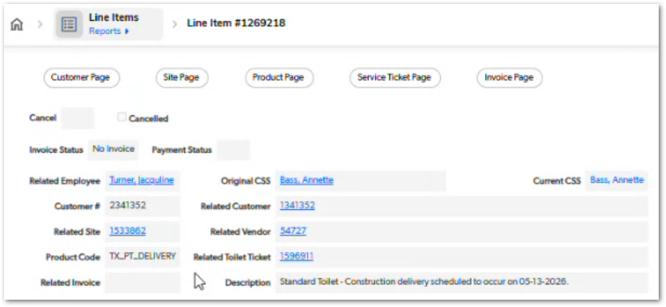 | Granular statuses from line items feed operational reports and dashboards. Screenshot shows a created line item with invoice status still showing no invoice. | TBD
CUBE-PH4-D1-030 | Product Cancellation | Automation | Core Flow | Product Cancellation | Cancel Product-Related Tickets and Line Items From Product Level | As an Account Manager (AM), I want product cancellation to cancel related unbilled service tickets and line items, so that I do not have to manually cancel each child record. | Product cancellation should allow related unbilled service tickets and line items to be canceled from the product level when the selected cancellation option supports that behavior. | 1. User can cancel related unbilled service tickets from the product level, 2. User can cancel related unbilled line items from the product level, 3. Cancellation reason selected at the product level applies to related records, 4. Billed items are not automatically credited by this cancellation action, 5. Dry run items can be excluded when the cancellation option requires it. | Day 1, Part 1 [1:43:43 – 1:46:49] | NO MOCKUP | The workshop distinguishes between canceling everything and canceling everything except dry run charges. | TBD
CUBE-PH4-D1-031 | Credits | Automation | Core Flow | Billing Reversal | Auto-Reverse Billed Items Through Credits | As an Account Manager (AM), I want an easier billing reversal option for billed items, so that I do not have to manually create credits for every billed line item. | Billed items should be reversible through a simplified credit process that creates the needed credit line items and reduces manual reversal work. | 1. User can initiate a reversal for billed items, 2. System creates credit line items for billed items that need reversal, 3. Reversal can support multiple line items, 4. Reversal reduces manual credit creation work, 5. User can still handle special cases manually when needed. | Day 1, Part 1 [1:48:51 – 1:52:52] | NO MOCKUP | The workshop gives an example where many services across products may need cancellation or credit, making manual reversal time-consuming. | TBD
CUBE-PH4-D1-032 | Service Tickets | Functional | Core Flow | Variable Service Frequency | Support Flexible Service Frequency for Non-Standard Schedules | As an Account Manager (AM), I want to handle variable service frequency within a service cycle, so that customers with changing weekly service needs do not require many separate extra service tickets and line items. | Variable service schedules should allow known non-standard service frequencies to be captured within a cycle, reducing the need to create multiple extra service tickets and line items for the same customer schedule. | 1. User can document a non-standard service schedule, 2. User can account for a total number of services within a cycle, 3. User can avoid creating a separate ticket for every individual extra service when a flexible schedule is known up front, 4. Line item description can reflect the flexible schedule, 5. Customer-facing billing can remain simpler than multiple individual service charges. | Day 1, Part 1 [1:53:44 – 2:00:00] | NO MOCKUP | The example describes service increasing from once a week to multiple times a week as site headcount changes. | TBD
CUBE-PH4-D1-033 | Service Tickets | Functional | Core Flow | Cycle Service Tickets | Create Standard Service Ticket Based on Cycle Dates | As an Account Manager (AM), I want standard service tickets to use calculated cycle start and end dates, so that service cycles are created consistently from the delivery date and cycle time. | Standard service ticket dates are calculated from the delivery date and the selected cycle time, such as a 28-day service cycle for portable toilets. | 1. Standard service ticket calculates the cycle start date, 2. Standard service ticket calculates the cycle end date, 3. Cycle dates use the delivery date and configured cycle time, 4. User cannot manually edit formula-based cycle dates in the same way as a single delivery date, 5. System can calculate the next cycle after each created service ticket. | Day 1, Part 1 [2:03:03 – 2:10:20] | NO MOCKUP | The example uses a 28-day portable toilet service cycle. | TBD
CUBE-PH4-D1-034 | Service Tickets | UI/UX | Core Flow | Billing Cycle Preview | Show Future Billing Cycle Dates | As an Account Manager (AM), I want to preview future billing cycle dates, so that I can provide customers with the expected billing cycle schedule without manually counting dates. | Future billing cycle dates should be available as a preview based on the delivery date and selected cycle time, without requiring the user to create all future service tickets. | 1.User can view future billing cycle date ranges, 2. Cycle preview uses the delivery date, 3. Cycle preview uses the selected cycle time, 4. Preview updates when the billing cycle changes, 5. User can access the preview without creating all future service tickets. | Day 1, Part 1 [2:11:14 – 2:15:15] | NO MOCKUP | The workshop suggests a clickable section similar to a call log where cycle dates can be viewed when needed. | TBD
CUBE-PH4-D1-035 | Removal Tickets | Functional | Core Flow | Pre-Scheduled Removal | Create Removal Ticket When Removal Date Exists | As an Account Manager (AM), I want to create a removal ticket when a removal date exists, so that pre-scheduled removals can be captured in the product flow. | A removal ticket can be created when a removal date is entered, allowing pre-scheduled removals to be captured even when future service tickets may still be required. | 1. User can enter a removal date, 2. Removal ticket button becomes available when a removal date exists, 3. User can create a pre-scheduled removal ticket, 4. Removal ticket can exist before all intermediate service tickets are created, 5. Removal ticket date is used by the system when evaluating future service cycles. | Day 1, Part 1 [2:16:31 – 2:18:47] | 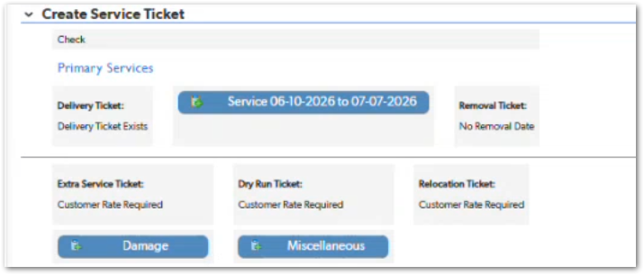 | The workshop clarifies this may be out of operational order but is supported by the system. | TBD
CUBE-PH4-D1-036 | Service Tickets | Automation | Core Flow | Removal Stop Logic | Stop Automatic Service Cycles Based on Removal Date | As an Account Manager (AM), I want the system to stop creating additional service cycles when the removal date falls within the current cycle, so that customers are not charged after the scheduled removal. | Automatic service cycle creation should stop when the scheduled removal date falls within the active or next applicable service cycle. | 1. System evaluates the removal date against the current service cycle, 2. System continues creating cycles until the removal date is reached, 3. System stops creating future service cycles when the removal date falls within the cycle, 4. System prevents charging the customer beyond the scheduled removal point, 5. Canceling the removal ticket and removal date allows future service ticket creation again. | Day 1, Part 1 [2:19:11 – 2:23:01] | 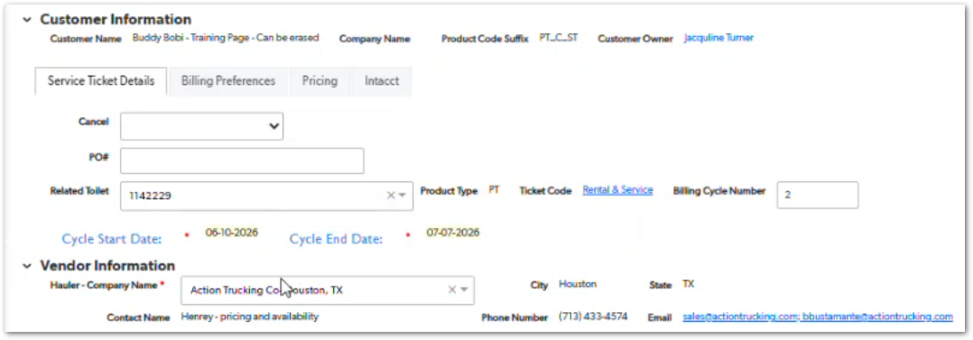 | The removal ticket gives automations a stopping place. Screenshot shows a rental and service ticket with cycle start and end dates used in the service cycle flow. | TBD
CUBE-PH4-D1-037 | Extra Service Tickets | Functional | Core Flow | Ad Hoc Extra Service | Create Extra Service Ticket With Manual Service Date | As an Account Manager (AM), I want to create an ad hoc extra service ticket with a manually entered service date, so that customer-requested additional services can be billed and tracked. | Extra service tickets are used for ad hoc services that are not part of the standard delivery, removal, or recurring service cycle, so the service date must be entered manually. | 1. Extra service button becomes available when a service rate exists, 2. User can manually enter the extra service date, 3. User can enter dispatch information for the extra service, 4. Extra service ticket uses the extra service ticket code, 5. Extra service line item becomes available from the extra service ticket. | Day 1, Part 1 [2:23:01 – 2:24:50] | 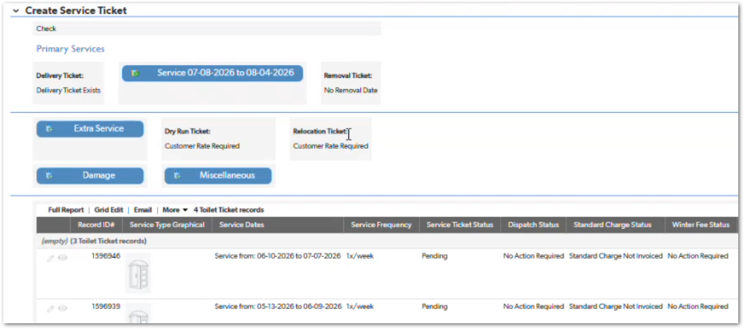 | The example describes an additional cleaning outside the included weekly service. Screenshot shows the Extra Service button available in the Create Service Ticket section. | TBD
CUBE-PH4-D1-038 | Damage Tickets | Functional | Core Flow | Damage Charges | Create Damage Ticket With Manual Hauler and Customer Charges | As an Account Manager (AM), I want to create a damage ticket with manually entered hauler and customer charges, so that non-standard damage costs can be captured and billed. | Damage tickets are used for non-standard damage charges that are not captured in the regular product rates, so hauler and customer charges must be entered manually. | 1. User can create a damage ticket, 2. User can enter the hauler charge for the damage, 3. User can enter the customer charge for the damage, 4. User can describe the damage or problem, 5. User can enter the date the damage was reported. | Day 1, Part 1 [2:25:45 – 2:28:40] | 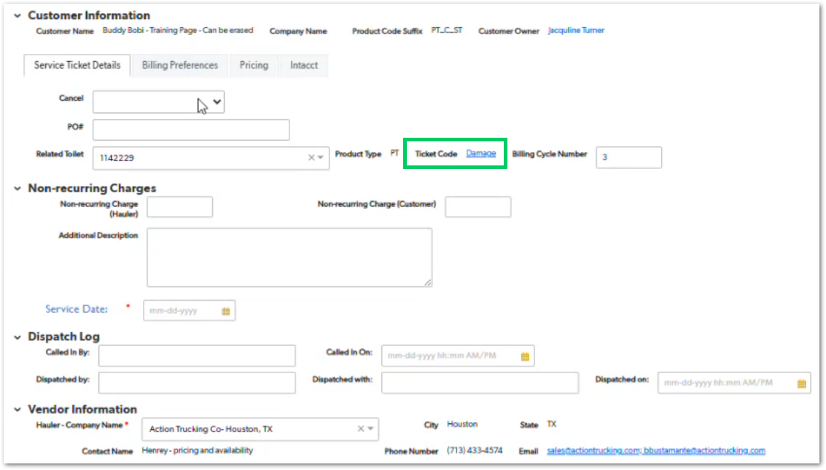 | Examples include a burned toilet or removed hand sanitizer. Screenshot shows the Damage ticket code and non-recurring charge fields. | TBD
CUBE-PH4-D1-039 | Damage Tickets | UI/UX | Core Flow | Rental Protection Reminder | Show Rental Protection Context on Damage Tickets | As an Account Manager (AM), I want damage tickets to show whether the customer has portable toilet rental protection, so that I know whether the customer charge should be waived or whether the protection program can be offered. | Damage tickets should show whether the customer has rental protection, helping the user determine whether the customer charge applies or whether the protection program should be mentioned. | 1. Damage ticket shows whether the customer has rental protection, 2. System reminds the user when the customer charge should be zero because protection exists, 3. System shows when protection is not active, 4. User can use the rental protection context when discussing damage charges with the customer, 5. Damage ticket supports the damage charge workflow with rental protection visibility. | Day 1, Part 1 [2:28:58 – 2:31:13] | NO MOCKUP | Damage charges may be an opportunity to mention the protection program when the customer is not already enrolled. | TBD
CUBE-PH4-D1-040 | Miscellaneous Tickets | Functional | Core Flow | Miscellaneous Charges | Create Miscellaneous Ticket for Ad Hoc Charges | As an Account Manager (AM), I want to create miscellaneous tickets for ad hoc charges, so that charges that do not fit standard ticket types can still be captured. | Miscellaneous tickets are used for flexible, ad hoc charges that do not fit another standard ticket type. | 1. User can create a miscellaneous ticket, 2. User can enter the applicable charge information, 3. User can describe the miscellaneous reason or context, 4. User can create one or more miscellaneous line items from the ticket, 5. Miscellaneous ticket supports ad hoc cases without requiring a predefined type list. | Day 1, Part 1 [2:31:13 – 2:34:48] | NO MOCKUP | Standby fees are mentioned as a common miscellaneous use case. | TBD
CUBE-PH4-D1-041 | Dry Run Tickets | Data Validation | Core Flow | Dry Run Reason | Require Dry Run Reason on Dry Run Ticket | As an Account Manager (AM), I want the dry run reason to be required, so that every dry run charge has a clear explanation. | Dry run tickets should require a dry run reason before saving, so each dry run charge has a documented explanation. | 1. Dry run ticket includes a dry run reason field, 2. Dry run reason is required before saving, 3. User cannot create a dry run charge without selecting a reason, 4. Dry run reason appears in the line item description when applicable, 5. Dry run reason supports reporting and customer invoice clarity. | Day 1, Part 1 [2:38:45 – 2:44:50] | 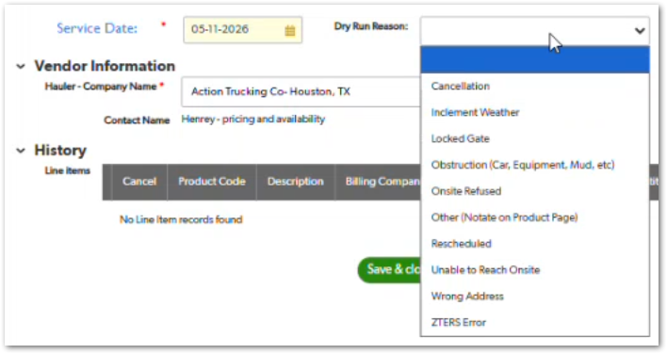 | The workshop also mentions reviewing the dry run reason list. Screenshot shows the available dry run reason options. | TBD
CUBE-PH4-D1-042 | Relocation Tickets | Functional | Core Flow | Relocation Charges | Create Relocation Ticket and Line Item | As an Account Manager (AM), I want to create a relocation ticket and relocation line item, so that customer-requested unit moves can be billed and tracked. | Relocation tickets are used when a customer requests a unit to be moved from one location to another, and the related relocation charges need to be captured. | 1. User can create a relocation ticket, 2. User can enter the hauler relocation fee, 3. User can enter the customer relocation fee, 4. System uses the relocation ticket code from the button, 5. Relocation line item becomes available from the relocation ticket. | Day 1, Part 1 [2:45:00 – 2:46:12] | NO MOCKUP | The example given is moving a unit from one side of the property to another. | TBD
CUBE-PH4-D1-043 | Roll-Offs | UI/UX | Core Flow | Rental Pricing Visibility | Show Roll-Off Rental Pricing Details on Ticket | As an Account Manager (AM), I want roll-off rental pricing details visible on the ticket, so that I can understand what rental period and rate are being billed. | Roll-off rental pricing details such as days included, rental rate, rental interval, and rental period should be visible on the ticket so the user can confirm what is being billed. | 1. Ticket displays days included, 2. Ticket displays rental rate, 3. Ticket displays rental interval, 4. Ticket displays rental period, 5. User can review rental pricing details without navigating away from the ticket. | Day 1, Part 1 [2:47:22 – 2:51:25] | NO MOCKUP | The example involves a block rental and confusion around the rental period being billed. | TBD
CUBE-PH4-D1-044 | Invoices | UI/UX | Core Flow | Invoice Creation Navigation | Provide Direct Create Invoice Link From Applicable Records | As an Account Manager (AM), I want a direct Create Invoice link from the applicable record, so that I can open the correct invoice creation flow without selecting the wrong customer or site. | A direct Create Invoice link should be available from the relevant record so users can access the correct invoice creation flow without manually searching for the customer or site. | 1. Applicable records provide a direct Create Invoice action, 2. Direct link opens invoice creation for the correct customer context, 3. Direct link reduces manual searching or filtering, 4. Direct link helps prevent selecting the wrong customer, 5. User can create the invoice from the relevant line item, service ticket, or product context. | Day 1, Part 1 [2:51:54 – 2:54:13] | NO MOCKUP | The missing button demonstrated its value when the wrong customer was selected during the workflow. | TBD
CUBE-PH4-D1-045 | Invoices | Functional | Core Flow | Site-Level Billing | Group Billable Line Items by Site and PO | As an Account Manager (AM), I want billable line items grouped by site and PO, so that invoices reflect site-level tax requirements and customer billing structure. | Billable line items are grouped by site because taxes depend on the site address, and PO differences can also separate invoice groups. | 1. Invoice creation groups billable line items by site, 2. Site grouping supports tax jurisdiction requirements, 3. Different sites appear as separate billing groups, 4. PO differences can separate billing, 5. User can review billable line items within each site or PO group. | Day 1, Part 1 [2:54:13 – 2:56:32] | NO MOCKUP | The workshop mentions multiple sites for the same customer and PO-based grouping. | TBD
CUBE-PH4-D1-046 | Invoices | Functional | Core Flow | Invoice Payment Options | Select Invoice Creation and Payment Submission Option | As an Account Manager (AM), I want to choose whether to create an invoice only, create an invoice with partial payment, or create an invoice with full payment, so that I can match the customer’s billing situation. | HUB provides options to create an invoice only, create an invoice with partial payment, or create an invoice with full payment. | 1. User can create an invoice without submitting payment, 2. User can create an invoice and submit partial payment, 3. User can create an invoice and submit full payment, 4. User can use invoice-only option when payment should not be submitted immediately, 5. User can use full payment option for the majority of standard cases. | Day 1, Part 1 [2:56:32 – 2:57:54] |  | Screenshot is from HUB and shows the invoice payment options available after billable line items are selected. Batch payment is mentioned as one reason to create invoices without assigning payment immediately. | TBD
CUBE-PH4-D1-047 | Invoices | Functional | Core Flow | Declined Payment Tracking | Track Declined Payment Transaction on Invoice | As an Account Manager (AM), I want declined payment transactions recorded on the invoice, so that I can see when an invoice was created but payment failed. | When a payment is declined after invoice creation, the invoice remains created and the declined transaction is recorded for tracking. | 1. System creates the invoice even when payment is declined, 2. Invoice status reflects unpaid when payment fails, 3. Rejected transaction is attached to the invoice, 4. User can access transaction status from the invoice context, 5. Related line items show invoice and payment status changes. | Day 1, Part 1 [2:57:54 – 3:00:54] | NO MOCKUP | The declined transaction record comes from the HUB invoicing process. If you attach the HUB screenshot for this story, mention that the payment attempt happens in HUB while the resulting invoice and transaction status are reflected back in the related invoice/line item flow. | TBD
CUBE-PH4-D1-048 | Credits | Data Validation | Core Flow | Credit Eligibility | Lock Credit Creation After 180 Days | As an Account Manager (AM), I want credit creation locked after the allowed dispute period, so that old billed items cannot be credited back without the required control. | Credit creation should be locked for billed items older than 180 days, preventing regular users from crediting charges outside the allowed billing dispute window. | 1. System checks invoice or line item age before allowing credit, 2. Credit button is not available for items older than 180 days, 3. User cannot credit old items without the required approval path, 4. Recent billed line items remain eligible for credit, 5. Lockout supports the six-month billing dispute rule described in the workshop. | Day 1, Part 1 [3:03:59 – 3:06:33] | NO MOCKUP | The workshop uses an old service ticket example to show that the credit button is not available. The 180-day rule is also shown in the HUB billing flow message. | TBD
CUBE-PH4-D1-049 | Credits | Functional | Core Flow | Credit Line Items | Create Credit Line Item Against Billed Line Item | As an Account Manager (AM), I want to create a credit line item against a billed line item, so that the original charge can be partially or fully reversed. | Credit line items are created against eligible billed line items and act as negative records used to reverse the original charge. | 1. User can access the credit action from an eligible billed line item, 2. System creates a credit line item tied to the original line item, 3. Credit line item can represent a full credit, partial credit, or tax-only credit, 4. Credit line item follows a different path than a regular line item, 5. Credit line item supports creation of a credit memo later. | Day 1, Part 1 [3:06:33 – 3:09:19] | NO MOCKUP | The credit memo works as the reverse of an invoice, using credit line items instead of regular line items. | TBD
CUBE-PH4-D1-050 | Credits | Data Validation | Core Flow | Credit Amount Validation | Prevent Credit Amount From Exceeding Original Charge | As an Account Manager (AM), I want the system to prevent credits greater than the original line item amount, so that credit calculations cannot exceed what was charged. | Credit amounts should be validated against the maximum available credit for the line item, preventing users from crediting more than the original billed amount. | 1. System displays the maximum credit available for the line item, 2. User cannot enter a credit amount greater than the original charge, 3. System accounts for prior credits when calculating remaining credit, 4. Credit total counts down from the original line item amount, 5. Validation prevents incorrect credit math. | Day 1, Part 1 [3:09:38 – 3:10:59] | 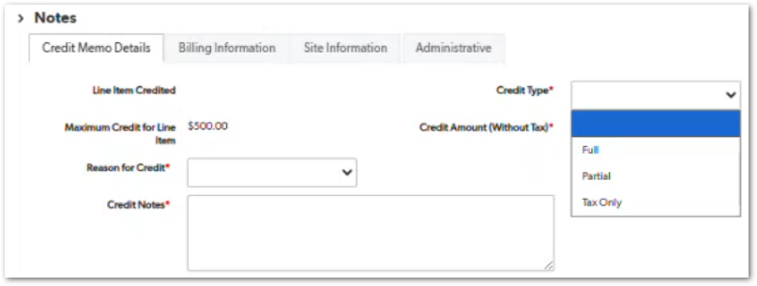 | The system should not allow giving back more than was charged. Screenshot shows the maximum credit amount and credit type options. | TBD
CUBE-PH4-D1-051 | Credits | UI/UX | Core Flow | Credit Calculator | Use Credit Calculator for Percentage, Flat, or Tax Credit | As an Account Manager (AM), I want a credit calculator available when creating a credit, so that I can calculate percentage, flat, or tax-related credit values. | The credit calculator helps users calculate credit subtotal, tax, and total values using percentage or dollar-based inputs. | 1. User can calculate credit based on a percentage, 2. User can calculate credit based on a dollar amount, 3. Calculator can show the calculated credit subtotal, 4. Calculator can show calculated credit tax, 5. Calculator can show the calculated credit total before saving. | Day 1, Part 1 [3:11:03 – 3:12:55] |  | Nichole did not know the calculator was available, so visibility or training may be needed. Screenshot shows the Credit Calculator section with Percent and Dollar options. | TBD
CUBE-PH4-D1-052 | Credits | UI/UX | Core Flow | Credit Calculator Visibility | Make Credit Calculator More Visible | As an Account Manager (AM), I want the credit calculator to be visible without needing to expand a hidden section, so that I can easily use it when creating credits. | The credit calculator should be visible in the credit creation flow instead of being hidden by default, so users can find and use it when calculating credits. | 1. Credit calculator is visible in the credit creation flow, 2. User does not need to expand a hidden section to find the calculator, 3. Calculator remains available when creating credit line items, 4. Calculator supports users who need help calculating credits, 5. Visibility reduces missed use of an existing feature. | Day 1, Part 2 [0:00:18 – 0:02:50] |  | Nichole confirmed that other users also did not know the credit calculator existed. Screenshot shows the calculator expanded and visible in the credit flow. | TBD
CUBE-PH4-D1-053 | Credits | Workflow | Core Flow | CSS Credit Approval | Notify CSS When Credit Approval Is Needed | As a Customer Support Specialist (CSS), I want to receive a system notification when a credit requires approval, so that I can approve credits without relying on email. | Credit approval requests should generate an in-system notification for CSS users instead of relying on email communication. | 1. System notifies CSS when a credit requires approval, 2. Notification appears inside CUBE instead of relying only on email, 3. CSS can identify the credit line item that needs approval, 4. Approval request is tied to the credit workflow, 5. Notification reduces dependency on manual email communication. | Day 1, Part 2 [0:03:05 – 0:04:03] | NO MOCKUP | The current approval process is handled through email. Justin identifies an in-system CUBE notification as the preferred improvement. | TBD
CUBE-PH4-D1-054 | Credits | Permissions | Core Flow | Credit Memo Processing | Allow AM to Process Credit Memo After CSS Approval | As an Account Manager (AM), I want to process the credit memo after CSS approval, so that I can complete the customer-specific credit workflow without handing the action back to CSS. | After CSS approves a credit, the AM should be able to process the related credit memo instead of requiring CSS to complete both the approval and processing steps. | 1. CSS approval remains required before credit memo processing, 2. Approved credit becomes available for AM processing, 3. AM can process the credit memo after approval, 4. CSS is not required to perform both approval and processing, 5. Workflow supports customer-specific handling such as whether to send the credit memo. | Day 1, Part 2 [0:07:27 – 0:08:24] | NO MOCKUP | Nichole mentions Tesla as an example where the AM needs control over how credit memos are handled. | TBD
CUBE-PH4-D1-055 | Containers | Functional | Core Flow | Container Accessories | Capture Storage Container Lock as an Accessory | As an Account Manager (AM), I want storage container locks captured as accessories, so that common lock requests can be documented when quoting or managing storage containers. | Storage container locks are commonly requested and should be captured as accessories, while any one-time or recurring cost handling can be reviewed as part of the product setup. | 1. User can capture a lock as a storage container accessory, 2. Lock accessory can support common customer requests, 3. Accessory information remains tied to the storage container product, 4. Lock cost handling can support one-time or recurring pricing when applicable, 5. Accessory capture does not change the standard ticket and line item flow. | Day 1, Part 2 [0:23:49 – 0:26:25] | NO MOCKUP | Locks are common for storage containers, but the workshop does not confirm whether lock charges should be broken out separately on invoices. | TBD
CUBE-PH4-D1-056 | Fencing | Functional | Core Flow | Secondary Cycle Time | Calculate Fencing Service Cycles Using Primary and Secondary Cycle Times | As an Account Manager (AM), I want fencing service tickets to calculate dates using primary and secondary cycle times, so that long-term fencing rentals can follow the correct billing cadence. | Fencing rentals can use an initial long cycle, such as 24 months, followed by shorter secondary cycles, such as one year or one month. | 1. First fencing service cycle uses the primary cycle time, 2. Subsequent fencing service cycles use the secondary cycle time, 3. System calculates next cycle dates from the prior cycle end date, 4. Secondary cycle dates update when the secondary cycle time changes, 5. Service ticket creation uses the correct cycle cadence for fencing. | Day 1, Part 2 [0:30:14 – 0:36:25] | NO MOCKUP | The workshop identifies the current monthly service label as poorly labeled for cycle-based billing. | TBD
CUBE-PH4-D1-057 | Fencing | Data Integrity | Core Flow | Secondary Rental Rate | Use Secondary Rental Rate for Fencing Secondary Cycles | As an Account Manager (AM), I want secondary fencing cycles to use the secondary rental rate, so that line items and expected hauler costs match the correct cycle pricing. | After the first fencing service cycle, subsequent cycles should use the secondary rental rate and the corresponding secondary hauler cost for line items and item receipt calculations. | 1. First fencing cycle uses the standard rate, 2. Subsequent fencing cycles use the secondary rental rate, 3. Secondary rental rate is available on the service ticket pricing information, 4. Expected hauler cost uses the correct secondary rate, 5. Item receipt calculation reflects the correct secondary cycle cost. | Day 1, Part 2 [0:36:25 – 0:39:13] | NO MOCKUP | Justin identifies the incorrect secondary cycle expected hauler cost as a back-end correction needed for item receipts. | TBD
CUBE-PH4-D1-058 | Equipment Rentals | Functional | Core Flow | Equipment Rental Rate Cycles | Review Daily Weekly and Monthly Rate Handling for Equipment Rentals | As an Account Manager (AM), I want equipment rentals to support daily, weekly, and monthly rate considerations, so that rental charges can reflect how equipment providers bill beyond the initial rental period. | Equipment rentals may include daily, weekly, and monthly rates, so the system should account for how providers charge when rentals extend beyond the initial rental period. | 1. Equipment rental product can account for daily rate information, 2. Equipment rental product can account for weekly rate information, 3. Equipment rental product can account for monthly rate information, 4. Extended rental periods can be evaluated against provider billing behavior, 5. Internal discussion determines whether secondary cycle or prorated handling is needed. | Day 1, Part 2 [0:44:41 – 0:47:17] | NO MOCKUP | Nichole agreed to make this an internal discussion point before confirming the improvement priority. | TBD

